Hoja 1
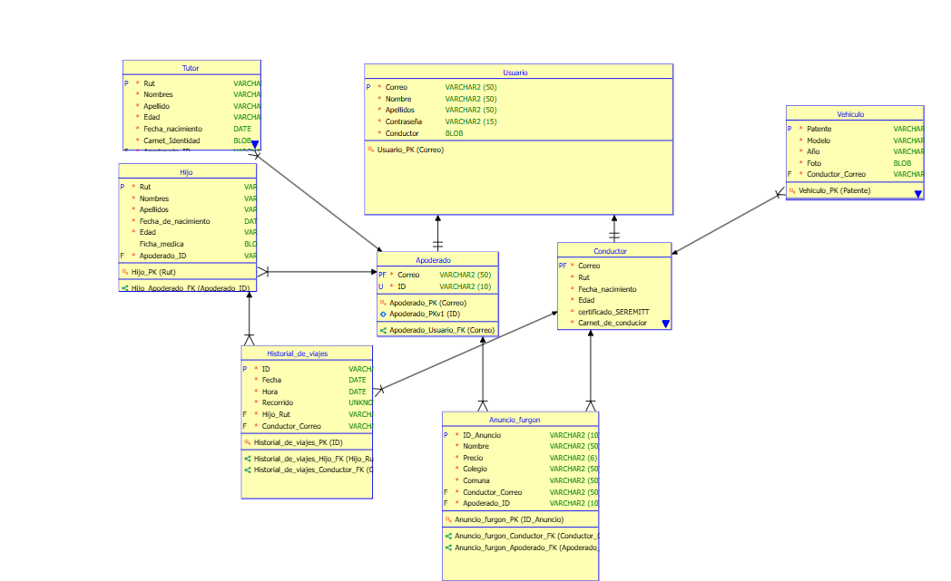
All Tables Details

Design Name | Sin título_1
Version Date | 2025-09-14
Version Comment
Model Name | Relational_2

SubViews
SubView | Description | Notes | Object

Table Name | Anuncio_furgon
Functional Name | Anuncio furgon
Abbreviation
Classification Type Name
Object Type Name
MV Prebuilt
MV Query

Number Of Columns | 7
Number Of Rows Min. | 0
Number Of Rows Max. | 9999999
Expected Number Of Rows | 0
Expected Growth | 0
Growth Interval | Year

Used In Diagrams
Diagram Name
Relational_2

Columns
No | Column Name | PK | FK | M | Data Type | DT kind | Domain Name | Formula (Default Value) | Security | Abbreviation
1 | ID_Anuncio | P |  | Y | String (10) | LT
2 | Nombre |  |  | Y | VARCHAR (50) | LT
3 | Precio |  |  | Y | String (6) | LT
4 | Colegio |  |  | Y | VARCHAR (50) | LT
5 | Comuna |  |  | Y | VARCHAR (50) | LT
6 | Conductor_Correo |  | F | Y | VARCHAR (50) | LT
7 | Apoderado_ID |  | F | Y | String (10) | LT

Indexes
Index Name | State | Functional | Spatial | Expression | Column Name | Sort Order
Anuncio_furgon_PK | PK |  |  |  | ID_Anuncio | ASC

Foreign Keys (referring to)
Name | Refering To | Mandatory | Transferable | In Arc | Columns | Referred Columns | Delete Rule
Anuncio_furgon_Conductor_FK | Conductor | Y | Y |  | Conductor_Correo | Correo
Anuncio_furgon_Apoderado_FK | Apoderado | Y | Y |  | Apoderado_ID | ID

Table Name | Apoderado
Functional Name | Apoderado
Abbreviation
Classification Type Name
Object Type Name
MV Prebuilt
MV Query

Number Of Columns | 2
Number Of Rows Min. | 0
Number Of Rows Max. | 9999999
Expected Number Of Rows | 0
Expected Growth | 0
Growth Interval | Year

Used In Diagrams
Diagram Name
Relational_2

Columns
No | Column Name | PK | FK | M | Data Type | DT kind | Domain Name | Formula (Default Value) | Security | Abbreviation
1 | Correo | P | F | Y | VARCHAR (50) | LT
2 | ID |  |  | Y | String (10) | LT

Indexes
Index Name | State | Functional | Spatial | Expression | Column Name | Sort Order
Apoderado_PK | PK |  |  |  | Correo | ASC
Apoderado_PKv1 | UK |  |  |  | ID | ASC

Foreign Keys (referring to)
Name | Refering To | Mandatory | Transferable | In Arc | Columns | Referred Columns | Delete Rule
Apoderado_Usuario_FK | Usuario | Y | Y | Y | Correo | Correo

Foreign Keys (referred from)
Name | Referred From | Mandatory | Transferable | In Arc | Columns | Referred Columns | Delete Rule
Anuncio_furgon_Apoderado_FK | Anuncio_furgon | Y | Y |  | Apoderado_ID | ID
Hijo_Apoderado_FK | Hijo | Y | Y |  | Apoderado_ID | ID
Tutor_Apoderado_FK | Tutor | Y | Y |  | Apoderado_ID | ID

Table Name | Conductor
Functional Name | Conductor
Abbreviation
Classification Type Name
Object Type Name
MV Prebuilt
MV Query

Number Of Columns | 7
Number Of Rows Min. | 0
Number Of Rows Max. | 9999999
Expected Number Of Rows | 0
Expected Growth | 0
Growth Interval | Year

Used In Diagrams
Diagram Name
Relational_2

Columns
No | Column Name | PK | FK | M | Data Type | DT kind | Domain Name | Formula (Default Value) | Security | Abbreviation
1 | Correo | P | F | Y | VARCHAR (50) | LT
2 | Rut |  |  | Y | VARCHAR (50) | LT
3 | Fecha_nacimiento |  |  | Y | Date | LT
4 | Edad |  |  | Y | String (2) | LT
5 | certificado_SEREMITT |  |  | Y | BLOB | LT
6 | Carnet_de_conducior |  |  | Y |  | LT
7 | Carnet_de_identidad |  |  | Y |  | LT

Indexes
Index Name | State | Functional | Spatial | Expression | Column Name | Sort Order
Conductor_PK | PK |  |  |  | Correo | ASC

Foreign Keys (referring to)
Name | Refering To | Mandatory | Transferable | In Arc | Columns | Referred Columns | Delete Rule
Conductor_Usuario_FK | Usuario | Y | Y | Y | Correo | Correo

Foreign Keys (referred from)
Name | Referred From | Mandatory | Transferable | In Arc | Columns | Referred Columns | Delete Rule
Anuncio_furgon_Conductor_FK | Anuncio_furgon | Y | Y |  | Conductor_Correo | Correo
Historial_de_viajes_Conductor_FK | Historial_de_viajes | Y | Y |  | Conductor_Correo | Correo
Vehiculo_Conductor_FK | Vehiculo | Y | Y |  | Conductor_Correo | Correo

Table Name | Hijo
Functional Name | Hijo
Abbreviation
Classification Type Name
Object Type Name
MV Prebuilt
MV Query

Number Of Columns | 7
Number Of Rows Min. | 0
Number Of Rows Max. | 9999999
Expected Number Of Rows | 0
Expected Growth | 0
Growth Interval | Year

Used In Diagrams
Diagram Name
Relational_2

Columns
No | Column Name | PK | FK | M | Data Type | DT kind | Domain Name | Formula (Default Value) | Security | Abbreviation
1 | Rut | P |  | Y | VARCHAR (15) | LT
2 | Nombres |  |  | Y | VARCHAR (50) | LT
3 | Apellidos |  |  | Y | VARCHAR | LT
4 | Fecha_de_nacimiento |  |  | Y | Date | LT
5 | Edad |  |  | Y | String (2) | LT
6 | Ficha_medica |  |  |  | BLOB | LT
7 | Apoderado_ID |  | F | Y | String (10) | LT

Indexes
Index Name | State | Functional | Spatial | Expression | Column Name | Sort Order
Hijo_PK | PK |  |  |  | Rut | ASC

Foreign Keys (referring to)
Name | Refering To | Mandatory | Transferable | In Arc | Columns | Referred Columns | Delete Rule
Hijo_Apoderado_FK | Apoderado | Y | Y |  | Apoderado_ID | ID

Foreign Keys (referred from)
Name | Referred From | Mandatory | Transferable | In Arc | Columns | Referred Columns | Delete Rule
Historial_de_viajes_Hijo_FK | Historial_de_viajes | Y | Y |  | Hijo_Rut | Rut

Table Name | Historial_de_viajes
Functional Name | Historial de viajes
Abbreviation
Classification Type Name
Object Type Name
MV Prebuilt
MV Query

Number Of Columns | 6
Number Of Rows Min. | 0
Number Of Rows Max. | 9999999
Expected Number Of Rows | 0
Expected Growth | 0
Growth Interval | Year

Used In Diagrams
Diagram Name
Relational_2

Columns
No | Column Name | PK | FK | M | Data Type | DT kind | Domain Name | Formula (Default Value) | Security | Abbreviation
1 | ID | P |  | Y | String (10) | LT
2 | Fecha |  |  | Y | Datetime | LT
3 | Hora |  |  | Y | Time | LT
4 | Recorrido |  |  | Y |  | LT
5 | Hijo_Rut |  | F | Y | VARCHAR (15) | LT
6 | Conductor_Correo |  | F | Y | VARCHAR (50) | LT

Indexes
Index Name | State | Functional | Spatial | Expression | Column Name | Sort Order
Historial_de_viajes_PK | PK |  |  |  | ID | ASC

Foreign Keys (referring to)
Name | Refering To | Mandatory | Transferable | In Arc | Columns | Referred Columns | Delete Rule
Historial_de_viajes_Hijo_FK | Hijo | Y | Y |  | Hijo_Rut | Rut
Historial_de_viajes_Conductor_FK | Conductor | Y | Y |  | Conductor_Correo | Correo

Table Name | Tutor
Functional Name | Tutor
Abbreviation
Classification Type Name
Object Type Name
MV Prebuilt
MV Query

Number Of Columns | 7
Number Of Rows Min. | 0
Number Of Rows Max. | 9999999
Expected Number Of Rows | 0
Expected Growth | 0
Growth Interval | Year

Used In Diagrams
Diagram Name
Relational_2

Columns
No | Column Name | PK | FK | M | Data Type | DT kind | Domain Name | Formula (Default Value) | Security | Abbreviation
1 | Rut | P |  | Y | VARCHAR (15) | LT
2 | Nombres |  |  | Y | VARCHAR (50) | LT
3 | Apellido |  |  | Y | VARCHAR | LT
4 | Edad |  |  | Y | String (2) | LT
5 | Fecha_nacimiento |  |  | Y | Date | LT
6 | Carnet_Identidad |  |  | Y | BLOB | LT
7 | Apoderado_ID |  | F | Y | String (10) | LT

Indexes
Index Name | State | Functional | Spatial | Expression | Column Name | Sort Order
Tutor_PK | PK |  |  |  | Rut | ASC

Foreign Keys (referring to)
Name | Refering To | Mandatory | Transferable | In Arc | Columns | Referred Columns | Delete Rule
Tutor_Apoderado_FK | Apoderado | Y | Y |  | Apoderado_ID | ID

Table Name | Usuario
Functional Name | Usuario
Abbreviation
Classification Type Name
Object Type Name
MV Prebuilt
MV Query

Number Of Columns | 5
Number Of Rows Min. | 0
Number Of Rows Max. | 9999999
Expected Number Of Rows | 0
Expected Growth | 0
Growth Interval | Year

Used In Diagrams
Diagram Name
Relational_2

Columns
No | Column Name | PK | FK | M | Data Type | DT kind | Domain Name | Formula (Default Value) | Security | Abbreviation
1 | Correo | P |  | Y | VARCHAR (50) | LT
2 | Nombre |  |  | Y | VARCHAR (50) | LT
3 | Apellidos |  |  | Y | VARCHAR (50) | LT
4 | Contraseña |  |  | Y | VARCHAR (15) | LT
5 | Conductor |  |  | Y | BINARY | LT

Indexes
Index Name | State | Functional | Spatial | Expression | Column Name | Sort Order
Usuario_PK | PK |  |  |  | Correo | ASC

Foreign Keys (referred from)
Name | Referred From | Mandatory | Transferable | In Arc | Columns | Referred Columns | Delete Rule
Apoderado_Usuario_FK | Apoderado | Y | Y | Y | Correo | Correo
Conductor_Usuario_FK | Conductor | Y | Y | Y | Correo | Correo

Table Name | Vehiculo
Functional Name | Vehiculo
Abbreviation
Classification Type Name
Object Type Name
MV Prebuilt
MV Query

Number Of Columns | 5
Number Of Rows Min. | 0
Number Of Rows Max. | 9999999
Expected Number Of Rows | 0
Expected Growth | 0
Growth Interval | Year

Used In Diagrams
Diagram Name
Relational_2

Columns
No | Column Name | PK | FK | M | Data Type | DT kind | Domain Name | Formula (Default Value) | Security | Abbreviation
1 | Patente | P |  | Y | VARCHAR (6) | LT
2 | Modelo |  |  | Y | VARCHAR (30) | LT
3 | Año |  |  | Y | String (4) | LT
4 | Foto |  |  | Y | Image | LT
5 | Conductor_Correo |  | F | Y | VARCHAR (50) | LT

Indexes
Index Name | State | Functional | Spatial | Expression | Column Name | Sort Order
Vehiculo_PK | PK |  |  |  | Patente | ASC

Foreign Keys (referring to)
Name | Refering To | Mandatory | Transferable | In Arc | Columns | Referred Columns | Delete Rule
Vehiculo_Conductor_FK | Conductor | Y | Y |  | Conductor_Correo | Correo

Relational_2

